Statistic Insights
Numeric Variables |  | Output
SELECT
COUNT(*) AS count_rows,-- count all rows to compare if there are any missing data
MIN(release_year) AS earliest_release_year,
MAX(release_year) AS latest_release_year,
ROUND(AVG(release_year),0) AS average_release_year,
COUNT(release_year) AS count_release_year,
MIN(rental_duration) AS minimum_rental_duration,
MAX(rental_duration) AS maximum_rental_duration,
ROUND(AVG(rental_duration),2) AS average_rental_duration,
COUNT(rental_duration) AS count_rental_duration,
MIN(rental_rate) AS minimum_rental_rate,
MAX(rental_rate) AS maximum_rental_rate,
ROUND(AVG (rental_rate),2) AS average_rental_rate,
COUNT(rental_rate) AS count_rental_rate,
MIN(length) AS minimum_length,
MAX(length) AS maximum_length,
ROUND(AVG(length),2) AS average_length,
COUNT(length) AS count_length,
MIN(replacement_cost) AS minimum_replacement_cost,
MAX(replacement_cost) AS maximum_replacement_cost,
ROUND(AVG(replacement_cost),2) AS average_replacement_cost,
COUNT(replacement_cost) AS count_replacement_cost
FROM film
release_year
rental_duration
rental_rate
length
replacement_cost

Non-numeric Variables | Output
SELECT
MODE() WITHIN GROUP (ORDER BY language_id) AS modal_language_id,
MODE() WITHIN GROUP (ORDER BY rating) AS modal_rating
FROM film
SELECT
MODE() WITHIN GROUP (ORDER BY store_id) AS modal_store_id,
MODE() WITHIN GROUP (ORDER BY create_date) AS modal_create_date
FROM customer

ERD
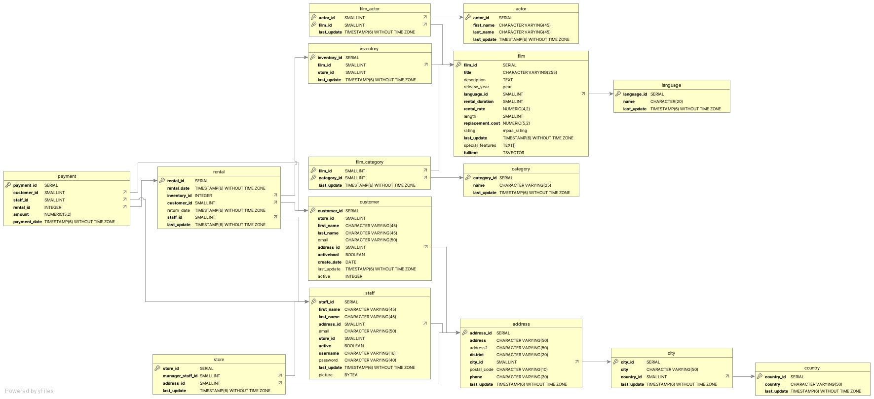

1.1 The most revenue movies
1. Which movies contributed the most/least to revenue gain?

SELECT
D.title AS movie_title,
SUM(A.amount) AS total_revenue
FROM payment A
JOIN rental B
ON A.rental_id = B.rental_id
JOIN inventory C
ON B.inventory_id = C.inventory_id
JOIN film D
ON C.film_id = D.film_id
GROUP BY D.title
ORDER BY total_revenue DESC
LIMIT 5
 | movie_title | total_revenue
 | Telegraph Voyage | 215.75
 | Zorro Ark | 199.72
 | Wife Turn | 198.73
 | Innocent Usual | 191.74
 | Hustler Party | 190.78

1.2 The least revenue movies
1. Which movies contributed the most/least to revenue gain?

SELECT
D.title AS movie_title,
SUM(A.amount) AS total_revenue
FROM payment A
JOIN rental B
ON A.rental_id = B.rental_id
JOIN inventory C
ON B.inventory_id = C.inventory_
JOIN film D
ON C.film_id = D.film_id
GROUP BY D.title
ORDER BY total_revenue
LIMIT 5
 | movie_title | total_revenue
 | Rebel Airport | 6.93
 | Freedom Cleopatra | 5.95
 | Duffel Apocalypse | 5.94
 | Oklahoma Jumanji | 5.94
 | Texas Watch | 5.94

1.3 Top revenue by rating
More analysis on revenue data

SELECT
D.rating,
SUM(A.amount) AS total_revenue
FROM payment A
JOIN rental B
ON A.rental_id = B.rental_id
JOIN inventory C
ON B.inventory_id = C.inventory_id
JOIN film D
ON C.film_id = D.film_id
GROUP BY D.rating
ORDER BY total_revenue DESC
 | rating | total_revenue
 | PG-13 | 13855.56
 | NC-17 | 12634.92
 | PG | 12236.65
 | R | 12073.03
 | G | 10511.88

2.1 Avg duration by rating
2. What was the average rental duration for all videos?
and more analysis on rental duration data
 | Average rental duration by rating
SELECT
rating,
ROUND(AVG(rental_duration),2) AS average_rental_duration
FROM film
GROUP BY rating
 |  | rating | average_rental_duration
 |  | G | 4.84
 |  | NC-17 | 5.14
 |  | PG | 5.08
 |  | PG-13 | 5.05
 |  | R | 4.77

 | Average rental duration for all videos
SELECT
ROUND(AVG(rental_duration),2) AS average_rental_duration
FROM film
 |  |  | average_rental_duration
 |  |  | 4.99

2.2 Revenue by rental duration
2. What was the average rental duration for all videos?
and more analysis on rental duration data

SELECT
D.rental_duration,
SUM(A.amount) AS total_revenue
FROM payment A
JOIN rental B
ON A.rental_id = B.rental_id
JOIN inventory C
ON B.inventory_id = C.inventory_id
JOIN film D
ON C.film_id = D.film_id
GROUP BY D.rental_duration
ORDER BY D.rental_duration
 | rental_duration | total_revenue
 | 3 | 15813.86
 | 4 | 13616.5
 | 5 | 12461.14
 | 6 | 10855.28
 | 7 | 8565.26

3. Top countries customers
3. Which countries are Rockbuster customers based in?

SELECT
D.country,
COUNT(customer_id) AS customer_numbers_by_country
FROM customer A
INNER JOIN address B
ON A.address_id = B.address_id
INNER JOIN city C
ON B.city_id = C.city_id
INNER JOIN country D
ON C.country_id = D.country_id
GROUP BY D.country
ORDER BY customer_numbers_by_country DESC
LIMIT 10
 | country | customer_numbers_by_country
 | India | 60
 | China | 53
 | United States | 36
 | Japan | 31
 | Mexico | 30
 | Brazil | 28
 | Russian Federation | 28
 | Philippines | 20
 | Turkey | 15

4. Countries lifetime customers
4. Where are customers with a high lifetime value based?

SELECT
E.customer_id,
A.first_name,
A.last_name,
C.city,
D.country,
SUM(E.amount) AS Total_Amount_Paid
FROM customer A
INNER JOIN address B
ON A.address_id = B.address_id
INNER JOIN city C
ON B.city_id = C.city_id
INNER JOIN country D
ON C.country_id = D.country_id
INNER JOIN payment E
ON A.customer_id = E.customer_id
WHERE (D.country,C.city) IN
(
SELECT
D.country,
C.city
FROM customer A
INNER JOIN address B
ON A.address_id = B.address_id
INNER JOIN city C
ON B.city_id = C.city_id
INNER JOIN country D
ON C.country_id = D.country_id
WHERE D.country IN
(SELECT
D.country FROM customer A INNER JOIN address B
ON A.address_id = B.address_id INNER JOIN city C
ON B.city_id = C.city_id INNER JOIN country D
ON C.country_id = D.country_id GROUP BY D.country ORDER BY COUNT(customer_id) DESC )
GROUP BY D.country, C.city
ORDER BY COUNT(customer_id) DESC
)
GROUP BY E.customer_id, A.first_name, A.last_name, C.city, D.country
ORDER BY Total_Amount_Paid DESC
LIMIT 10
 | customer_id | first_name | last_name | city | country | total_amount_paid
 | 148 | Eleanor | Hunt | Saint-Denis | Runion | 211.55
 | 526 | Karl | Seal | Cape Coral | United States | 208.58
 | 178 | Marion | Snyder | Santa Brbara dOeste | Brazil | 194.61
 | 137 | Rhonda | Kennedy | Apeldoorn | Netherlands | 191.62
 | 144 | Clara | Shaw | Molodetno | Belarus | 189.6
 | 459 | Tommy | Collazo | Qomsheh | Iran | 183.63
 | 181 | Ana | Bradley | Memphis | United States | 167.67
 | 410 | Curtis | Irby | Richmond Hill | Canada | 167.62
 | 236 | Marcia | Dean | Tanza | Philippines | 166.61
 | 403 | Mike | Way | Valparai | India | 162.67

5.1 Countries highest sales
5. Do sales figures vary between geographic regions?

SELECT
D.country,
SUM(E.amount) AS Total_sales_figures
FROM customer A
INNER JOIN address B
ON A.address_id = B.address_id
INNER JOIN city C
ON B.city_id = C.city_id
INNER JOIN country D
ON C.country_id = D.country_id
INNER JOIN payment E
ON A.customer_id = E.customer_id
WHERE (D.country,C.city) IN
(
SELECT
D.country,
C.city
FROM customer A
INNER JOIN address B
ON A.address_id = B.address_id
INNER JOIN city C
ON B.city_id = C.city_id
INNER JOIN country D
ON C.country_id = D.country_id
WHERE D.country IN
( SELECT D.country FROM customer A INNER JOIN address B
ON A.address_id = B.address_id INNER JOIN city C
ON B.city_id = C.city_id INNER JOIN country D
ON C.country_id = D.country_id GROUP BY D.country ORDER BY COUNT(customer_id) DESC )
GROUP BY D.country, C.city
ORDER BY COUNT(customer_id) DESC )
GROUP BY D.country
ORDER BY Total_sales_figures DESC
 | country | total_sales_figures
 | India | 6034.78
 | China | 5251.03
 | United States | 3685.31
 | Japan | 3122.51
 | Mexico | 2984.82
 | Brazil | 2919.19
 | Russian Federation | 2765.62
 | Philippines | 2219.7
 | Turkey | 1498.49
 | Indonesia | 1352.69
 | Nigeria | 1314.92
 | Argentina | 1298.8
 | Taiwan | 1155.1
 | South Africa | 1069.46
 | Iran | 877.96
 | United Kingdom | 850.96
 | Poland | 786.16
 | Italy | 753.26
 | Germany | 741.24
 | Vietnam | 676.45
 | Ukraine | 675.53
 | Colombia | 661.54
 | Egypt | 659.48
 | Venezuela | 632.43
 | Canada | 559.7
 | Netherlands | 557.73
 | South Korea | 527.77
 | Spain | 513.8
 | Yemen | 473.93
 | Pakistan | 473.84
 | Saudi Arabia | 452.94
 | Peru | 407.01
 | Thailand | 401.08
 | Israel | 379.13
 | Ecuador | 369.18
 | Bangladesh | 353.19
 | Algeria | 349.18
 | France | 334.12
 | Malaysia | 330.23
 | Tanzania | 322.22
 | Mozambique | 315.25
 | United Arab Emirates | 305.25
 | Dominican Republic | 304.26
 | Chile | 303.34
 | Austria | 284.3
 | Morocco | 274.35
 | Paraguay | 273.4
 | Belarus | 271.36
 | Latvia | 249.43
 | Switzerland | 248.41
 | Kenya | 245.49
 | Yugoslavia | 233.49
 | Puerto Rico | 224.48
 | Romania | 218.42
 | Runion | 211.55
 | French Polynesia | 205.52
 | Greece | 204.54
 | Sudan | 202.51
 | Azerbaijan | 198.53
 | Bulgaria | 194.52
 | Kazakstan | 192.51
 | Angola | 187.55
 | Cameroon | 186.49
 | Myanmar | 179.53
 | Cambodia | 179.51
 | Bolivia | 178.56
 | The Democratic Republic of the Congo | 168.58
 | Oman | 161.56
 | Holy See (Vatican City State) | 146.68
 | Nauru | 143.7
 | Sweden | 139.67
 | Czech Republic | 132.72
 | Moldova | 127.66
 | Turkmenistan | 126.74
 | Chad | 122.72
 | Malawi | 121.73
 | Zambia | 121.7
 | Virgin Islands, U.S. | 121.69
 | Greenland | 119.72
 | Armenia | 118.75
 | Gambia | 114.73
 | Iraq | 111.73
 | Hungary | 111.71
 | Bahrain | 108.76
 | North Korea | 107.71
 | Brunei | 107.66
 | Kuwait | 106.75
 | Estonia | 105.72
 | Hong Kong | 104.76
 | Sri Lanka | 103.73
 | Liechtenstein | 99.74
 | Anguilla | 99.68
 | French Guiana | 97.8
 | Faroe Islands | 96.76
 | Senegal | 95.76
 | Nepal | 93.83
 | Tuvalu | 93.78
 | Madagascar | 92.79
 | Ethiopia | 91.77
 | New Zealand | 85.77
 | Slovakia | 80.77
 | Finland | 78.79
 | Tunisia | 73.78
 | Afghanistan | 67.82
 | Tonga | 64.84
 | Saint Vincent and the Grenadines | 64.82
 | Lithuania | 63.78
 | American Samoa | 47.85

